Case #1
Justin Pope Dev Test
Test Case No. |  | 1
Process |  | Test new procedure
Test Consideration |  | 1) Access to Syspro client 2) Access to Datascope or 2) Sypro objects to dispatch order
Test Condition |  |  | Data Used | How To Verify | Actual Results
Tasks
1 |  | Create Order |  |  | Screen shots provided
2 |  | Dispatch Order Items | specifically dispatch part of the order |  | Screen shots provided
3 |  | Varify Dispatched items |  |  | Screen shots provided
Verification
 |  | screen shots below

 | Order 1103467 within the test system was used. Line 4,5, and 6 are the lines we are focusing on.
 |  | line 4 - frieght | this line should be split resulting in a recution of the original line and creation of a new line
 |  | line 5 - Misc Surcharge | this line should be split resulting in a recution of the original line and creation of a new line
 |  | line 6 - Misc Test | this line should be disptached in full
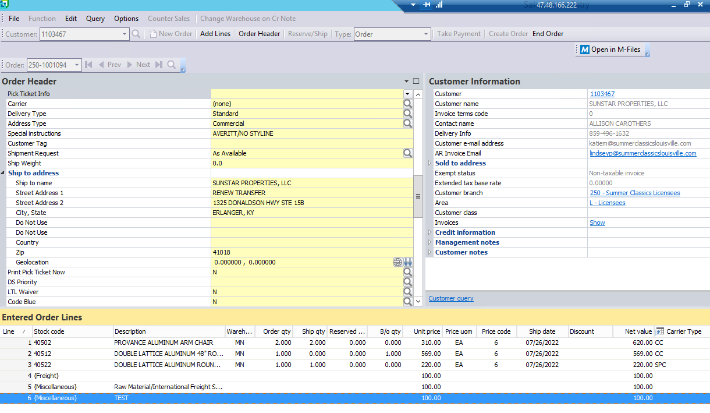

 |  | Order after dispatched
 |  | line 4 - frieght | line reduced |  | PASSED
 |  | line 5 - Misc Surcharge | line reduced |  | PASSED
 |  | line 6 - Misc Test | no change |  | PASSED
 |  | line 7 - frieght | line created |  | PASSED
 |  | line 8 - Misc Surcharge | line created |  | PASSED
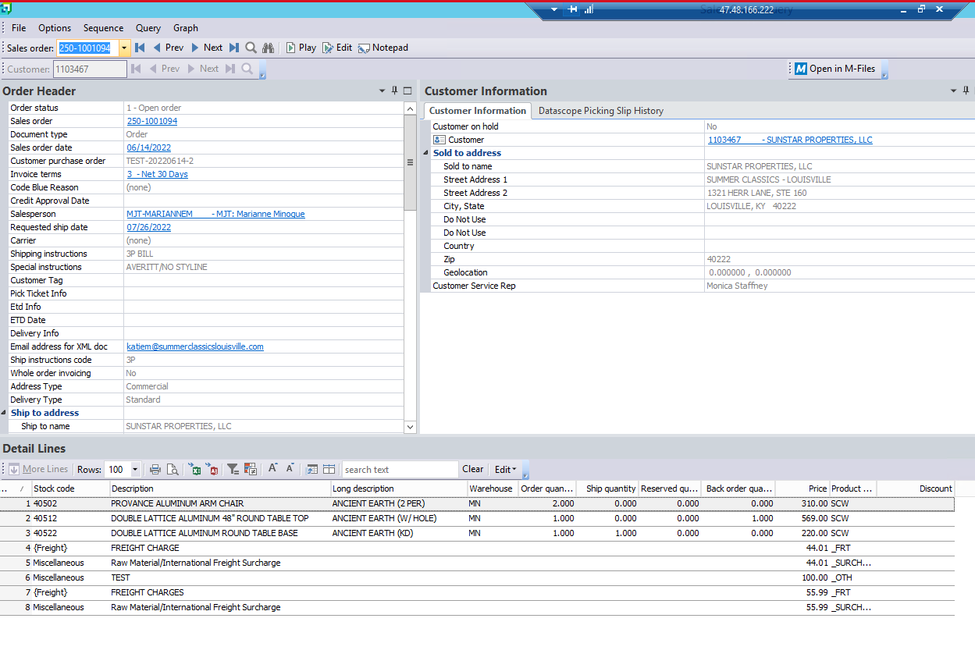

 |  | Disptach Note
 |  | line 4 - frieght | Disptached reduced line |  | PASSED
 |  | line 5 - Misc Surcharge | Disptached reduced line |  | PASSED
 |  | line 6 - Misc Test | Dispatched in full |  | PASSED

